Data
DAC Technologies Considered
DAC1 = hydroxide sorbent-based technology, most mature technology, used for large-scale plants, requires high heat (>800C)
DAC2 = amine-based technology, less mature, can be small modular units, can accept waste heat (temp 85-120C)

According to the source paper, DAC1 heat is provided by natural gas, and DAC2 heat is provided by waste heat.

Capital Cost per Ton CO2 Captured (amortized over lifetime of equipment)
The paper indicates these costs include equipment, maintenance, and labor. Energy costs are not included.
$/ton CO2 | DAC1 | DAC2
High | 300 | 350
Low | 180 | 200
Floor | 100 | 50

Electricity Required per Ton CO2 Captured
GJ/ton CO2 | DAC1 | DAC2
High | 1.8 | 1.1
Low | 1.3 | 0.6
Floor

Heat Input Required per Ton CO2 Captured
GJ/ton CO2 | DAC1 | DAC2
High | 8.1 | 7.2
Low | 5.3 | 4.4
Floor

Technology Shares (Supplement Fig 3)
Very little DAC of any sort is deployed before 2045-2050. DAC1 is dominant
until after 2080. Therefore, for the EPS, which extends only to 2050, we
assume the only relevant DAC technology is DAC1.
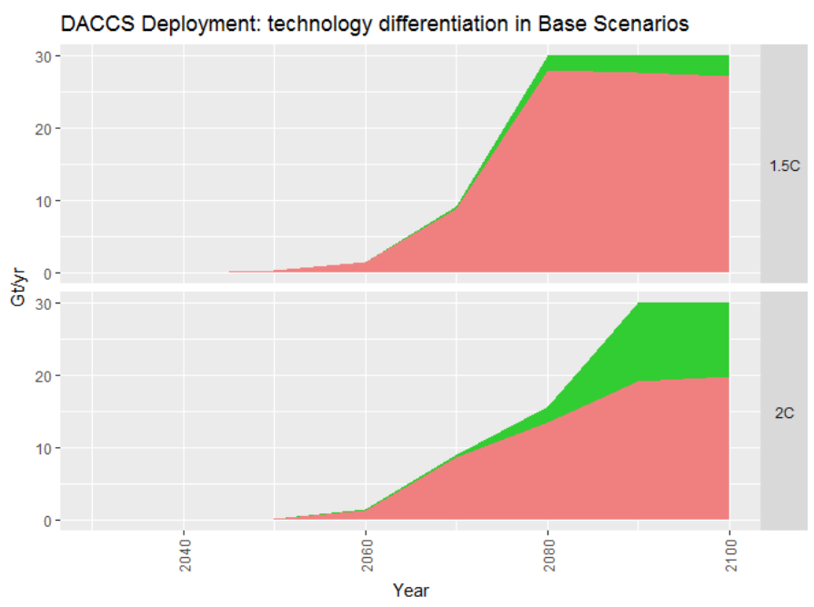

Global DAC Potential
We will use the 1.5-degree C pathway as our outer potential bound (100% lever setting),
since it is the more aggressive of the two scenarios.
We will measure deployment in specific years to the pixel, since the data are not
provided in tabular form:

 | 2045 | 2050 | 2060 | 2070 | 2080 | 2090 | 2100
DAC1 (pixels, high zoom) | 0 | 5 | 20 | 122 | 388 | 384 | 379
DAC2 (pixels, high zoom) | 0 | 0 | 0 | 5 | 30 | 35 | 40

Scale (pixels/(30 Gt/yr)) | 420

 | 2045 | 2050 | 2060 | 2070 | 2080 | 2090 | 2100
DAC1 (Gt/yr) | 0 | 0.4 | 1.4 | 8.7 | 27.7 | 27.4 | 27.1
DAC2 (Gt/yr) | 0 | 0 | 0 | 0.4 | 2.1 | 2.5 | 2.9

Assigning Country-Specific Share
The totals above are global. We assign DAC expenditures proportionally to current GDP, which
reflects both a country's ability to pay and, to a rough degree, its responsibility for historical emissions
to date.

U.S. GDP | 19.39 | trillion USD | 2017
World GDP | 80 | trillion UDS | 2017
US GDP share | 24.2%

U.S. DAC potential
 | 2045 | 2050 | 2060 | 2070 | 2080 | 2090 | 2100
DAC1 (Gt/yr) | 0 | 0.1 | 0.3 | 2.1 | 6.7 | 6.6 | 6.6
DAC2 (Gt/yr) | 0 | 0 | 0 | 0.1 | 0.5 | 0.6 | 0.7

Converting to metric tons:
 | 2045 | 2050 | 2060 | 2070 | 2080 | 2090 | 2100
DAC1 (t/yr) | 0 | 8.66E+07 | 3.46E+08 | 2.11E+09 | 6.72E+09 | 6.65E+09 | 6.56E+09
DAC2 (t/yr) | 0 | 0 | 0 | 8.66E+07 | 5.19E+08 | 6.06E+08 | 6.92E+08

Electricity and Heat Intensity, Costs
Due to the fact that the EPS model run ends at 2050, and deployment of DAC1 may only begin in 2046 (and DAC2 can't
begin during the model run at all), we assume there will not be sufficient time to progress from the high toward the
low intensity or cost values. Therefore, we take the high values as constant over the period 2046-2050, when deployment
is just barely beginning.

BTU/GJ | 947086

In this variable, we use BTU for all energy sources, including electricity. This is a strict unit conversion, not a heat rate.

E3 Potential
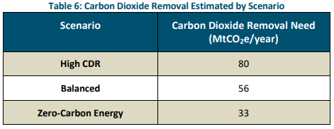

Scenario | Carbon Dioxide Removal (CDR) Need (MtCO2e/year) in 2045
High CDR | 80
Balanced | 56
Zero-Carbon Energy | 33

Assumed share of CDR that is direct air capture | 50%
2045 Potential max potential | 40 | MMT CO2e

Potential Calculations
Deployment Assumptions:
Year | 2030 | 2045
Deployment (MMT CO2e) | 0 | 40

Logistic Curve Function:
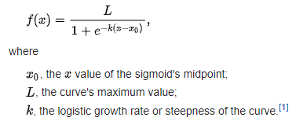

Note: The values below are assumptions to construct the s-shaped curve, which reaches 40 in 2045 and approaches the assumed maximum (L) in 2050.
Logistic Curve Values
L | 43
k | -0.52
X0 | -10

Estimated Deployment Along Logistic Curve:
Year | 2030 | 2031 | 2032 | 2033 | 2034 | 2035 | 2036 | 2037 | 2038 | 2039 | 2040 | 2041 | 2042 | 2043 | 2044 | 2045 | 2046 | 2047 | 2048 | 2049 | 2050
Value | 0 | 0.39532933079 | 0.66081133931 | 1.0999738974 | 1.8184601892 | 2.9729520748 | 4.7754065686 | 7.4668058218 | 11.229449738 | 16.032646049 | 21.5 | 26.967353951 | 31.770550262 | 35.533194178 | 38.224593431 | 40.027047925 | 41.181539811 | 41.900026103 | 42.339188661 | 42.604670669 | 42.764089147

